CPI
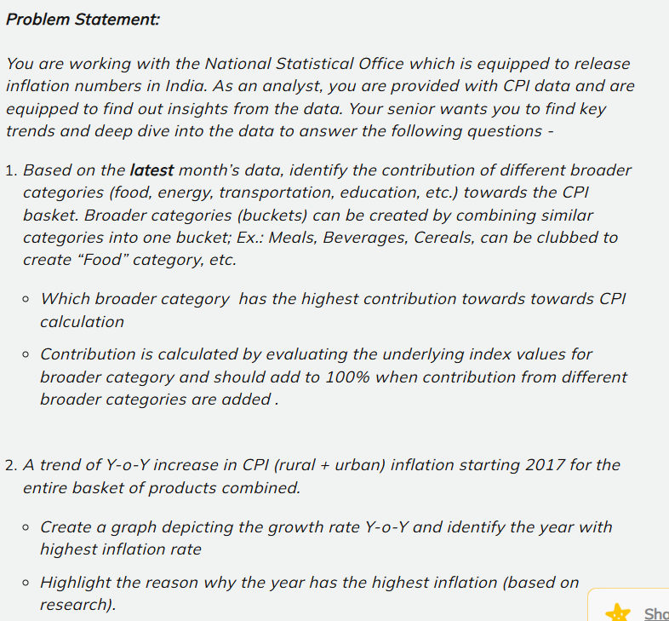
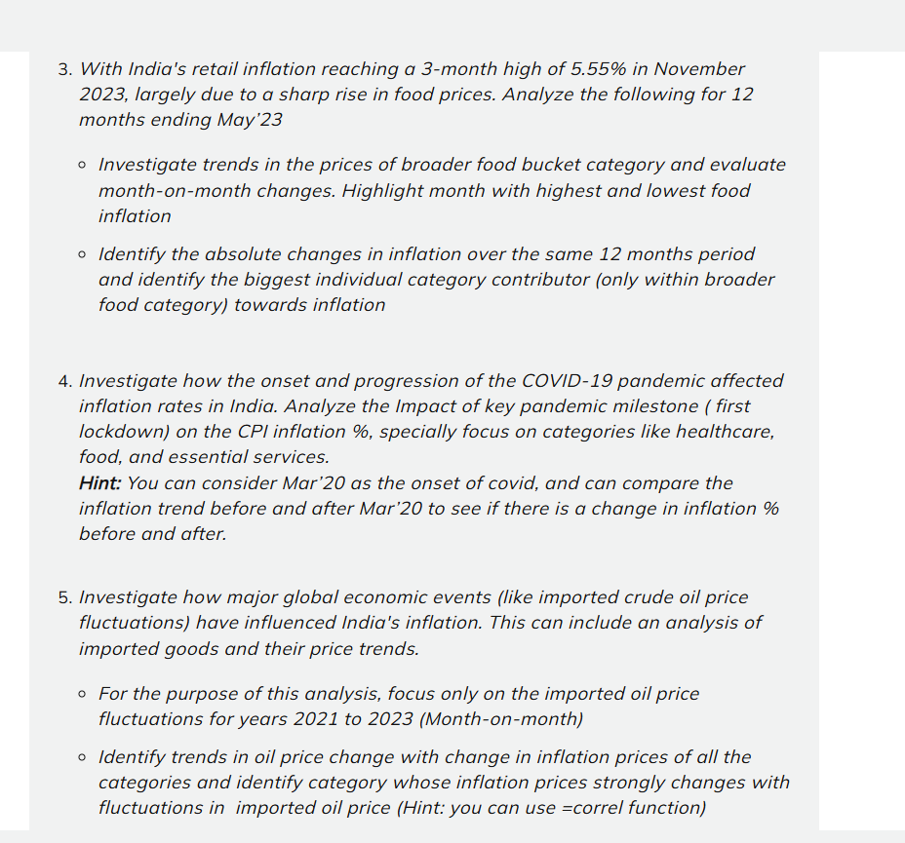
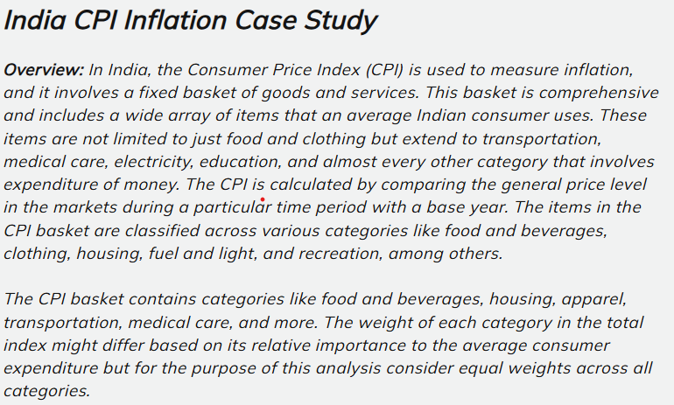

Notes
PASSWORD 123
NOTES
1 For Handling Missing Values, I have Caculated a Moving-Average of all columns
there are any missing values based in sectors Example : Rural + Urban
NOTE = THERE ARE MISSING VALUES WHICH I HIGHLIGHTS
2 But in Housing there are NA value. So for handing these NA value we have seen there is pattern that i followed and some that are give of the column instead of looking it sector wise.
Handling missing values
n
 | Data Dicitionary

 | Colum Name | Description
 | Sector | Rural | Urban | Rural+Urban
 | Year | 2013 To 2023
 | Month | Jan to December | correct | Marcrh
 | Cereals and products | Price Index given that show Inflation in Rural and Urban and Rural+ urban sector
 | Meat and fish | same
 | Egg | same
 | Milk and products | same
 | Oils and fats | same
 | Fruits | same
Correction in data
Colum Name In correct correct
Month Marcrh March
 | Vegetables | same
 | Pulses and products | same
 | Sugar and Confectionery | same
 | Spices | same
 | Non-alcoholic beverages | same
 | Prepared meals, snacks, sweets etc. | same
 | Food and beverages | same
 | Pan, tobacco and intoxicants | same
 | Clothing | same
 | Footwear | same
 | Clothing and footwear | same
 | Housing | same
 | Fuel and light | same
 | Household goods and services | same
 | Health | same
 | Transport and communication | same
 | Recreation and amusement | same
 | Education | same
 | Personal care and effects | same
 | Miscellaneous | same
 | General index | same

objective 1
OBJECTIVE 1

Based On the lastest months's data, identify the contribution of different broader categortis (Food, engergy, Transportation, education, etc) towards the CPI basket. Broader categories (buckets) can be created by combining similar categories into one Bucket; Ex ; Meals, Beverages, Cereals,Can be clubbed to Create " Food' Category, etc

1 | Which broader category has the highest contribution towards CPI Calculation
2 | Contribution is Calculated by evaluating the underlying index values for broader category
 | and should add to 100% when cotribution from different categories are added |  | contribution from different broader categories are added.

INSIGHTS
Food has the highist Inflation

 |  | Sector | Rural | Rural Percentege | Sector | Rural + Urban | Percentage | Sector | Urban | Percentage
 |  | Food | 1034 | 27.39 | Food | 2133.5 | 45.80 | Food | 2169.2 | 46.71
 |  | Luxury | 737 | 19.52 | Luxury | 730.8 | 15.69 | Luxury | 724.9 | 15.61
 |  | Clothing | 570 | 15.09 | Clothing | 553.2 | 11.88 | Clothing | 528.7 | 11.39
 |  | Essential | 536 | 14.18 | Essential | 352.3 | 7.56 | Essential | 344.9 | 7.43
 |  | Energy | 352 | 9.33 | Energy | 347.6 | 7.46 | Energy | 343.8 | 7.40
NOTE = TO Solve Objective First Create bucket then
Take Aveerage and fil Missing Value
 |  | Health as Health | 188 | 4.97 | Health as Health | 185.7 | 3.99 | Health as Health | 182.2 | 3.92
 |  | Miscalenious | 180 | 4.75 | Miscalenious | 175.7 | 3.77 | Miscalenious | 171.6 | 3.70
 |  | General Index | 180 | 4.76 | General Index | 179.1 | 3.85 | General Index | 178.2 | 3.84
 |  | Total | 3777 | 100.00 | Total | 4657.9 | 100.00 | Total | 4643.5 | 100.00
Contribution of Broader categories in urban
Contribution of Broader categories in Rural + urban

CONTRIBUTION OF BROADER CATEGORIES Rural

Objective 2
A trend of Y-o-Y increase in CPI ( rural + urban) inflation starting 2017 for the entire basket of product combined
1 Create a graph depicting the growth rate Y-o-y and identify the year with highest inflation rate
2 Highlight the reason why the year has the highest inflation (based on research)
Objective 2

 | INSIGHT

1 | According to data hightest Inflation show in chart Sector wise
 | Sector | year | Inflation
 | Rural | 2019 | 8%
 | Rural + Urban | 2019 | 8%
 | Urban | 2019 | 7%

NOTE = How we get this Answere take data from 2017 to 2022 According to Calender year January
To December , then we Calculate Inflation using formula ( CPI END OF YEAR - CPI AT THE START
OF THE YEAR THEN DIVIDED BY CIP START OF THE YEAR AND INTO 100 )

 |  |  |  | Sector | Year | January | December | CPI of Y-O-Y Inflation | Sector | Year | January | December | CPI of Y-O-Y Inflation | Sector | Year | January | December | CPI of Y-O-Y Inflation
 |  |  |  | Rural | 2017 | 132.4 | 139.8 | 6% | Rural + Urban | 2017 | 130.3 | 137.2 | 5% | Urban | 2017 | 127.8 | 134.1 | 5%
 |  |  |  | Rural | 2018 | 139.3 | 141.9 | 2% | Rural + Urban | 2018 | 136.9 | 140.1 | 2% | Urban | 2018 | 134.1 | 138 | 3%
 |  |  |  | Rural | 2019 | 141 | 152.3 | 8% | Rural + Urban | 2019 | 139.6 | 150.4 | 8% | Urban | 2019 | 138 | 148.3 | 7%
 |  |  |  | Rural | 2020 | 151.9 | 160.7 | 6% | Rural + Urban | 2020 | 150.2 | 158.9 | 6% | Urban | 2020 | 148.2 | 156.9 | 6%
 |  |  |  | Rural | 2021 | 158.5 | 167 | 5% | Rural + Urban | 2021 | 157.3 | 166.2 | 6% | Urban | 2021 | 156 | 165.2 | 6%
 |  |  |  | Rural | 2022 | 166.4 | 177.1 | 6% | Rural + Urban | 2022 | 165.7 | 175.7 | 6% | Urban | 2022 | 165 | 174.1 | 6%

In Rural Inflation
In Rural+Urban Inflation
In urban Inflation

2 Highlight the reason why the year has the highest inflation
The inflation rate in 2019 was influenced by a variety of factors, both domestic and global. Inflation, which refers to the rate at which prices for goods and services rise, typically occurs due to a combination of the following factors:
Monetary Policy: Central banks, like the Federal Reserve in the U.S. or the European Central Bank, influence inflation by adjusting interest rates. In 2019, many central banks kept interest rates low to stimulate economic growth. Low-interest rates can increase spending and investment, potentially leading to higher demand and price increases.
Global Economic Conditions: The global economy in 2019 was affected by trade tensions, particularly between the U.S. and China. The trade war led to higher tariffs on goods, which increased the cost of imports and, in turn, contributed to inflation in some regions.
Supply Chain Disruptions: Various factors, including natural disasters, geopolitical events, and changes in production, can disrupt supply chains. These disruptions can lead to shortages of goods, driving up prices.
Labor Market Conditions: If unemployment is low and wages are rising, consumers tend to have more money to spend, which increases demand for goods and services. In turn, this can drive prices higher.
Commodity Prices: The prices of raw materials like oil, metals, and agricultural products can directly impact inflation. In 2019, fluctuations in oil prices and other commodities influenced inflation in different countries.
Currency Fluctuations: Exchange rates can also play a role. A weaker currency can increase the cost of imported goods, leading to higher prices domestically.
In the U.S., the inflation rate in 2019 was relatively low compared to historical standards, hovering around 2% for most of the year. However, in some countries, inflation was higher due to the aforementioned factors.

Objective 3
OBJECTIVE 3

* With India's retail inflation reacing a 3 month high of 5.55% in November 2023, largely due to a sharp rise in food prices. Analyze the following for 12 months ending May'23 Change.
* Highlight month with highest and lowest food inflation
2 Identify the absolute change in inflation over the same 12 month period and identify the biggest individual category contribution ( only
within broader food category) towards Inflation

As a Objective 1 Demand we calculate MOM as per Objective requied
We took 12 Month Data and june 2022 to May 2023
According to that highest Inflation in june 2022 And February 2023 is the Lowest Inflation
INSIGHT 1

current - previse /prvise*100 | Sector | Year | Month | Food | Inflation | Sector | Year | Month | Food | Inflation | Sector | Year | Month | Food | Inflation
 | Rural | 2022 | may | 171.13 |  | Rural+Urban | 2022 | may | 172.65 |  | Urban | 2022 | May | 175.31
 | Rural | 2022 | June | 172.8 | 1.00 | Rural+Urban | 2022 | June | 174.5 | 107.2% | Urban | 2022 | June | 177.4 | 117.4%
 | Rural | 2022 | July | 173.2 | 0.19 | Rural+Urban | 2022 | July | 174.8 | 18.6% | Urban | 2022 | July | 177.7 | 16.0%
 | Rural | 2022 | August | 173.4 | 0.14 | Rural+Urban | 2022 | August | 175.0 | 11.9% | Urban | 2022 | August | 177.8 | 6.6%
 | Rural | 2022 | September | 174.4 | 0.55 | Rural+Urban | 2022 | September | 176.0 | 52.8% | Urban | 2022 | September | 178.8 | 56.7%
 | Rural | 2022 | October | 175.7 | 0.78 | Rural+Urban | 2022 | October | 177.3 | 75.3% | Urban | 2022 | October | 180.1 | 71.8%
 | Rural | 2022 | November | 175.9 | 0.12 | Rural+Urban | 2022 | November | 177.2 | -4.7% | Urban | 2022 | November | 179.4 | -38.9%
 | Rural | 2022 | December | 175.0 | -0.52 | Rural+Urban | 2022 | December | 176.0 | -65.8% | Urban | 2022 | December | 177.8 | -89.7%
 | Rural | 2023 | January | 175.5 | 0.29 | Rural+Urban | 2023 | January | 177.8 | 99.9% | Urban | 2023 | January | 180.8 | 169.7%
 | Rural | 2023 | February | 174.0 | -0.86 | Rural+Urban | 2023 | February | 175.6 | -125% | Urban | 2023 | February | 178.2 | -141.5%
 | Rural | 2023 | March | 174.0 | 0.00 | Rural+Urban | 2023 | March | 176.8 | 68.3% | Urban | 2023 | March | 178.9 | 37.4%
 | Rural | 2023 | April | 174.7 | 0.37 | Rural+Urban | 2023 | April | 175.6 | -68.4% | Urban | 2023 | April | 178.2 | -38.2%
 | Rural | 2023 | May | 176.0 | 0.76 | Rural+Urban | 2023 | May | 176.4 | 47.0% | Urban | 2023 | May | 179.4 | 65.0%

 | Food | Inflation
May | 175.3
June | 177.4 | 117.4%
July | 177.7 | 16.0%
August | 177.8 | 6.6%
September | 178.8 | 56.7%
October | 180.1 | 71.8%
November | 179.4 | -38.9%
December | 177.8 | -89.7%
January | 180.8 | 169.7%
February | 178.2 | -141.5%
March | 178.9 | 37.4%
April | 178.2 | -38.2%
May | 179.4 | 65.0%
 | Food | Inflation
may | 172.7
June | 174.5 | 107.2%
July | 174.8 | 18.6%
August | 175.0 | 11.9%
September | 176.0 | 52.8%
October | 177.3 | 75.3%
November | 177.2 | -4.7%
December | 176.0 | -65.8%
January | 177.8 | 99.9%
February | 175.6 | -124.7%
March | 176.8 | 68.3%
April | 175.6 | -68.4%
May | 176.4 | 47.0%
 | Food | Inflation
may | 171.1
June | 172.8 | 1.00
July | 173.2 | 0.19
August | 173.4 | 0.14
September | 174.4 | 0.55
October | 175.7 | 0.78
November | 175.9 | 0.12
December | 175.0 | -0.52
January | 175.5 | 0.29
February | 174.0 | -0.86
March | 174.0 | 0.00
April | 174.7 | 0.37
May | 176.0 | 0.76

INSIGHT 2

As Per Objective 2 Identify the absolute change in inflation over the same 12 month period and SPICES the biggest
individual category contribution ( only within broader food category) towards inflaton
Note = To Solve this Objective we took data Jun-22 to May-23 then Find out Inflation

OBJECTIVE
2 Identify the absolute change in inflation over the same 12 month period and identify the biggest individual category contribution ( only
within broader food category) towards inflaton

 |  | Rural Sector |  |  |  |  |  | Rural + Urban Sector |  |  |  | Urban Sector

 | Categories Within food | Jun-22 | May-23 | YOY Inflation |  |  | Categories Within food | Jun-22 | May-23 | YOY Inflation | Categories Within food | Jun-22 | May-23 | YOY Inflation
 | Cereals and products | 153.8 | 173.2 | 12.6% |  |  | Cereals and products | 155 | 173.7 | 12.1% | Cereals and products | 157.5 | 174.7 | 10.9%
 | Meat and fish | 217.2 | 211.5 | -2.6% |  |  | Meat and fish | 219.4 | 214.3 | -2.3% | Meat and fish | 223.4 | 219.4 | -1.8%
 | Egg | 169.6 | 171 | 0.8% |  |  | Egg | 170.8 | 173.2 | 1.4% | Egg | 172.8 | 176.7 | 2.3%
 | Milk and products | 165.4 | 179.6 | 8.6% |  |  | Milk and products | 165.8 | 179.5 | 8.3% | Milk and products | 166.4 | 179.4 | 7.8%
 | Oils and fats | 208.1 | 173.3 | -16.7% |  |  | Oils and fats | 200.9 | 170 | -15.4% | Oils and fats | 188.6 | 164.4 | -12.8%
 | Fruits | 165.8 | 169 | 1.9% |  |  | Fruits | 169.7 | 172.2 | 1.5% | Fruits | 174.1 | 175.8 | 1.0%
 | Vegetables | 167.3 | 148.7 | -11.1% |  |  | Vegetables | 182.3 | 161 | -11.7% | Vegetables | 211.5 | 185 | -12.5%
 | Pulses and products | 164.6 | 174.9 | 6.3% |  |  | Pulses and products | 164.3 | 175.6 | 6.9% | Pulses and products | 163.6 | 176.9 | 8.1%
 | Sugar and Confectionery | 119.1 | 121.9 | 2.4% |  |  | Sugar and Confectionery | 119.9 | 122.7 | 2.3% | Sugar and Confectionery | 121.4 | 124.2 | 2.3%
 | Spices | 188.9 | 221 | 17.0% |  |  | Spices | 187.1 | 218 | 16.5% | Spices | 183.5 | 211.9 | 15.5%
 | Prepared meals, snacks, sweets etc. | 181.9 | 191.1 | 5.1% |  |  | Prepared meals, snacks, sweets etc. | 183.9 | 194.2 | 5.6% | Prepared meals, snacks, sweets etc. | 186.3 | 197.7 | 6.1%
 | Food and beverages | 172.4 | 176.8 | 2.6% |  |  | Food and beverages | 174.9 | 179.1 | 2.4% | Food and beverages | 179.3 | 183.1 | 2.1%

Y-O-Y INFLATION
Y-O-Y INFLATION
Y-O-Y INFLATION

Objective 4
Investigate how the onset and progression of the Covid-19 Pandemic affected inflation ration in India.Analyze the Impact of key pandemic milestone
(first lockdown) on the CPI inflation % specially focus on categories like healthcare, food, and essential servilces.
HINT; you can consider MAR'20 as the onset of covid, and can compare the inflation trend before and after Mar' 20 to see if there is a change in inflation % before and after .
Objective 4

NOTE ; Investigated That During the Covid-19 Pandemic Food is the one of them . Where we have see highest Inflation 2019 To 2020
Note 2 this solution Get after completing some step 1 we collect data for 2 year
STEP 2 then find out Inflation which category has highest inflation during covid 19 and after COVID 19
INSIGHT

SECTOR RURAL

Sector | Category | Mar'2018 | Feb'2019 | Inflation Y O Y | Sector | Category | Mar'2019 | Feb'2020 | Inflation Y O Y
Rural | Food | 137.6 | 135.2 | -2% | Rural | Food | 135.3 | 147.5 | 9%
Rural | clothing | 146.8 | 148.8 | 1% | Rural | clothing | 149.0 | 150.9 | 1%
Rural | Essential | 140.7 | 148.3 | 5% | Rural | Essential | 148.3 | 151.0 | 2%
Rural | Energy | 133.6 | 137.3 | 3% | Rural | Energy | 138.2 | 144.2 | 4%
Rural | Health | 136.7 | 149.9 | 10% | Rural | Health | 150.4 | 156.2 | 4%

Sector | Category | Mar'2020 | Feb'2021 | Inflation Y O Y | Sector | Category | Mar'2021 | Feb'2022 | Inflation Y O Y | Rural Inflation Y-o-Y before and covid |  |  |  |  |  | Rural + urban Inflation Y-o-Y before and covid |  |  |  |  |  | Urban Inflation Y-o-Y before and covid
Rural | Food | 146.2 | 155.4 | 6% | Rural | Food | 155.4 | 165.0 | 6%
Rural | clothing | 151.2 | 157.1 | 4% | Rural | clothing | 157.6 | 172.9 | 10% | Area | Category | 2018-2019 | 2019-2020 | 2020-2021 | 2021-2022
Rural | Essential | 150.7 | 152.6 | 1% | Rural | Essential | 152.7 | 158.5 | 4% | Rural | food | -2% | 9% | 6% | 6% | Area | Category | 2018-2019 | 2019-2020 | 2020-2021 | 2021-2022 | Area | Category | 2018-2019 | 2019-2020 | 2020-2021 | 2021-2022
Rural | Energy | 144.6 | 152.3 | 5% | Rural | Energy | 153.7 | 164.3 | 7% | Rural | clothing | 1% | 1% | 4% | 10% | Rural +Urban | food | 0% | 9% | 7% | 6% | Urban | food | 2% | 9% | 9% | 6%
Rural | Health | 156.7 | 164.3 | 5% | Rural | Health | 164.6 | 175.3 | 7% | Rural | Essential | 5% | 2% | 1% | 4% | Rural +Urban | clothing | 2% | 2% | 4% | 9% | Urban | clothing | 4% | 2% | 4% | 7%
 |  |  |  |  |  |  |  |  |  | Rural | Energy | 3% | 4% | 5% | 7% | Rural +Urban | Essential | 6% | 3% | 3% | 5% | Urban | Essential | 5% | 3% | 3% | 4%
 |  |  |  |  |  |  |  |  |  | Rural | Health | 10% | 4% | 5% | 7% | Rural +Urban | Energy | 2% | 5% | 7% | 7% | Rural +Urban | Energy | 1% | 5% | 9% | 7%
 |  |  |  |  |  |  |  |  |  |  |  |  |  |  |  | Rural +Urban | Health | 8% | 4% | 6% | 6% | Rural +Urban | Health | 6% | 4% | 8% | 7%
SECTOR RURAL + URABN

Covid-19 Pandemic affected inflation in India.
Covid-19 Pandemic affected inflation in India.
Covid-19 Pandemic affected inflation in India.

Sector | Category | Mar' 18 | Feb'19 | Inflation Y O Y | Sector | Category | Mar' 19 | Feb'20 | Inflation Y O Y
Rural + Urabn | Food | 135.6 | 135.3 | 0% | Rural + Urabn | Food | 135.8 | 147.9 | 9%
Rural + Urabn | clothing | 141.2 | 144.6 | 2% | Rural + Urabn | clothing | 144.8 | 147.3 | 2%
Rural + Urabn | Essential | 139.1 | 147.5 | 6% | Rural + Urabn | Essential | 147.7 | 152.5 | 3%
Rural + Urabn | Energy | 128.8 | 131.2 | 2% | Rural + Urabn | Energy | 132.1 | 138.8 | 5%
Rural + Urabn | Health | 134.3 | 145.6 | 8% | Rural + Urabn | Health | 146.2 | 151.7 | 4%

Sector | Category | Mar' 20 | Feb'21 | Inflation Y O Y | Sector | Category | Mar' 21 | Feb'22 | Inflation Y O Y
Rural + Urabn | Food | 146.6 | 157.0 | 7% | Rural + Urabn | Food | 156.9 | 166.4 | 6%
Rural + Urabn | clothing | 147.6 | 153.5 | 4% | Rural + Urabn | clothing | 154.0 | 167.6 | 9%
Rural + Urabn | Essential | 152.3 | 156.7 | 3% | Rural + Urabn | Essential | 157.1 | 164.2 | 5%
Rural + Urabn | Energy | 139.4 | 148.8 | 7% | Rural + Urabn | Energy | 150.9 | 161.3 | 7%
Rural + Urabn | Health | 152.3 | 161.3 | 6% | Rural + Urabn | Health | 161.7 | 172.2 | 6%

SECTOR URABN

Sector | Category | Mar'2018 | Feb'2019 | Inflation Y O Y | Sector | Category | Mar'2019 | Feb'2020 | Inflation Y O Y
Urban | Food | 132.4 | 135.5 | 2% | Urban | Food | 136.7 | 148.8 | 9%
Urban | clothing | 132.9 | 138.5 | 4% | Urban | clothing | 138.8 | 142.0 | 2%
Urban | Essential | 136.9 | 143.9 | 5% | Urban | Essential | 144.2 | 149.1 | 3%
Urban | Energy | 122.1 | 123.2 | 1% | Urban | Energy | 124.4 | 132.1 | 6%
Urban | Health | 130.5 | 138.5 | 6% | Urban | Health | 139.2 | 144.4 | 4%

Sector | Category | Mar'2020 | Feb'2021 | Inflation Y O Y | Sector | Category | Mar'2021 | Feb'2022 | Inflation Y O Y
urban | Food | 147.2 | 159.7 | 9% | Urban | Food | 159.5 | 168.9 | 6%
urban | clothing | 142.4 | 148.1 | 4% | Urban | clothing | 148.8 | 159.8 | 7%
urban | Essential | 149.3 | 154.3 | 3% | Urban | Essential | 154.9 | 161.6 | 4%
urban | Energy | 133.0 | 144.8 | 9% | Urban | Energy | 148.3 | 158.1 | 7%
urban | Health | 145.0 | 156.3 | 8% | Urban | Health | 156.9 | 167.2 | 7%

Objctive 5
Investigate how major global economic events (like imported crude oil price fluctuation) have influenced India's Inflation. This can include an analysis of imported goods and their price trends.
For the purpose of this analysis, focus only on the imported oil price fluctuations for year 2021 to 2023 (Month-on- month) Identify trends in oil price change with change in inflation price of all the categories and identify category whose inflation prices strongly change with fluctuations in imported oil price ( Hint: you can use = correl function)
Objective 5

 |  |  | Objective 5

*

*

 |  | Sector | Category | Correlation 2021- 2023 Crude Oil import |  |  |  |  | INSIGHT
 |  | Rural+Urban | Cereals and products | 19.68%
 |  | Rural+Urban | Meat and fish | 25.64% |  |  |  | NOTE ;
-1 | dema | Rural+Urban | Egg | 36.88% |  |  |  | Investigated Crude Oil Price Fluctuation have Influenced India's Inflation In year 2021 to 2023
1 | postive | Rural+Urban | Milk and products | 50.65% |  |  |  | and identify major change in the categories
 |  | Rural+Urban | Oils and fats | 64.98% |  |  |  | due to Imported Oil with the help of Correl
 |  | Rural+Urban | Fruits | 75.62%
 |  | Rural+Urban | Vegetables | 84.20% |  |  | STEP 2 then find out Inflation which category has highest inflation during covid 19 and after COVID 19 | and show with the help of column chart
 |  | Rural+Urban | Pulses and products | 91.98%
 |  | Rural+Urban | Sugar and Confectionery | 94.04%
 | Correlation 2021- 2023 Crude Oil import
Cereals and products | 19.68%
Meat and fish | 25.64%
Egg | 36.88%
Milk and products | 50.65%
Oils and fats | 64.98%
Fruits | 75.62%
Vegetables | 84.20%
Pulses and products | 91.98%
Sugar and Confectionery | 94.04%
Spices | 92.23%
Prepared meals, snacks, sweets etc. | 92.49%
Food and beverages | 88.50%
Non-alcoholic beverages | 80.44%
Pan, tobacco and intoxicants | 80.12%
Personal care and effects | 82.54%
Recreation and amusement | 86.53%
Clothing | 87.65%
Footwear | 73.69%
Housing | 93.07%
Transport and communication | 61.10%
Fuel and light | 48.57%
Health | 40.25%
Miscellaneous | 49.83%
General index | 49.83%
 |  | Rural+Urban | Spices | 92.23%
 |  | Rural+Urban | Prepared meals, snacks, sweets etc. | 92.49%
 |  | Rural+Urban | Food and beverages | 88.50%
 |  | Rural+Urban | Non-alcoholic beverages | 80.44%
 |  | Rural+Urban | Pan, tobacco and intoxicants | 80.12%
 |  | Rural+Urban | Personal care and effects | 82.54%
 |  | Rural+Urban | Recreation and amusement | 86.53%
 |  | Rural+Urban | Clothing | 87.65%
 |  | Rural+Urban | Footwear | 73.69%
 |  | Rural+Urban | Housing | 93.07%
 |  | Rural+Urban | Transport and communication | 61.10%
 |  | Rural+Urban | Fuel and light | 48.57%
 |  | Rural+Urban | Health | 40.25%
 |  | Rural+Urban | Miscellaneous | 49.83%
 |  | Rural+Urban | General index | 49.83%

 |  | Sector | year | Monthe | Cereals and products | Meat and fish | Egg | Milk and products | Oils and fats | Fruits | Vegetables | Pulses and products | Sugar and Confectionery | Spices | Prepared meals, snacks, sweets etc. | Food and beverages | Non-alcoholic beverages | Pan, tobacco and intoxicants | Personal care and effects | Recreation and amusement | Clothing | Footwear | Clothing and footwear | Housing | Household goods and services | Education | Transport and communication | Fuel and light | Health | Miscellaneous | General index | Oil Import
 |  | Rural+Urban | 2021 | April | 144.3 | 198 | 164.6 | 155.4 | 170.1 | 164.4 | 144.1 | 161.7 | 113.1 | 163.9 | 168.9 | 158 | 157.6 | 188.8 | 155.4 | 153.2 | 158.8 | 148.5 | 157.3 | 161.4 | 151.8 | 160.3 | 146.6 | 155.6 | 162.3 | 154.4 | 157.8 | 63.40
 |  | Rural+Urban | 2021 | May | 146.3 | 200.5 | 170.3 | 156.1 | 178.7 | 167.1 | 147.9 | 165.4 | 114.8 | 168.2 | 170.4 | 160.7 | 159.3 | 191.9 | 158.6 | 155.8 | 161.8 | 152.1 | 160.4 | 161.6 | 154.7 | 161.2 | 148.9 | 159.4 | 165.8 | 156.8 | 160.4 | 66.95 | Year | Monthe | Oil Import
 |  | Rural+Urban | 2021 | June | 146.7 | 202 | 180.7 | 156.2 | 183.7 | 164.6 | 155.4 | 166 | 115.1 | 168.5 | 172.4 | 162.6 | 160 | 190.8 | 158.8 | 154.9 | 162.2 | 151.8 | 160.7 | 160.5 | 154.8 | 161.7 | 150.7 | 159.8 | 166.3 | 157.6 | 161.3 | 71.98 | 2021 | April | 63.40
 |  | Rural+Urban | 2021 | July | 146.4 | 206.8 | 182.2 | 157.5 | 182.1 | 163.9 | 164.2 | 164 | 114.5 | 168.3 | 172.2 | 164 | 160.9 | 191.2 | 160.1 | 155.3 | 162.8 | 153.1 | 161.4 | 161.5 | 155.8 | 163.2 | 153.1 | 160.7 | 167 | 159 | 162.5 | 73.54 | 2021 | May | 66.95
 |  | Rural+Urban | 2021 | August | 146.6 | 204 | 172.8 | 158.4 | 188 | 156.8 | 162.2 | 164.1 | 119.7 | 168.8 | 173.9 | 164 | 162.7 | 192.1 | 160 | 157.6 | 164.5 | 155.3 | 163.2 | 162.1 | 157.5 | 163.8 | 154 | 162.6 | 168.4 | 160 | 163.2 | 69.80 | 2021 | June | 71.98
 |  | Rural+Urban | 2021 | September | 146.6 | 204 | 172.8 | 158.4 | 188 | 156.7 | 162.3 | 164.1 | 119.7 | 168.8 | 173.9 | 164 | 162.7 | 192.1 | 160 | 157.7 | 164.6 | 155.3 | 163.3 | 162.1 | 157.5 | 163.7 | 154 | 162.6 | 168.4 | 160 | 163.2 | 73.13 | 2021 | July | 73.54
 |  | Rural+Urban | 2021 | October | 147.4 | 204.6 | 171.2 | 158.7 | 190.6 | 155.7 | 185.3 | 165.2 | 121.9 | 169.3 | 174.7 | 167.7 | 163.2 | 192.7 | 160.8 | 158.6 | 165.7 | 156.3 | 164.3 | 163.6 | 158.4 | 163.9 | 155.7 | 164.2 | 169.1 | 161 | 165.5 | 82.11 | 2021 | August | 69.80
 |  | Rural+Urban | 2021 | November | 148.2 | 201.6 | 173 | 159.3 | 190.1 | 156.5 | 199.2 | 165.3 | 122.4 | 169.6 | 175.5 | 169.7 | 163.7 | 192.9 | 162.2 | 159.8 | 167.2 | 157.4 | 165.8 | 164.2 | 159.3 | 164.3 | 154.8 | 163.9 | 169.9 | 161.4 | 166.7 | 80.64 | 2021 | September | 73.13
 |  | Rural+Urban | 2021 | December | 148.7 | 198.8 | 177.9 | 159.9 | 187.6 | 154.9 | 188.3 | 164.4 | 121 | 170.5 | 176.5 | 168.2 | 164.2 | 192.4 | 162.6 | 160.6 | 168.5 | 158.7 | 167 | 163.4 | 160.2 | 164.4 | 155.7 | 164.1 | 170.6 | 162 | 166.2 | 73.30 | 2021 | October | 82.11
 |  | Rural+Urban | 2022 | January | 149.5 | 198.7 | 178.8 | 160.5 | 184.7 | 153.7 | 174.3 | 163.9 | 120 | 172.1 | 177.3 | 166.4 | 164.3 | 192.2 | 163 | 161.2 | 169.9 | 160.7 | 168.5 | 164.5 | 161.1 | 164.7 | 156.5 | 164.2 | 171.4 | 162.7 | 165.7 | 84.67 | 2021 | November | 80.64
 |  | Rural+Urban | 2022 | February | 150 | 200.6 | 175.8 | 160.7 | 184.9 | 153.7 | 169.7 | 163.7 | 118.9 | 174.3 | 178 | 166.2 | 164.7 | 192.8 | 164.4 | 162.1 | 170.8 | 162.4 | 169.6 | 165.5 | 161.8 | 165.4 | 156.9 | 165.7 | 172.2 | 163.5 | 166.1 | 94.07 | 2021 | December | 73.30
 |  | Rural+Urban | 2022 | March | 151.3 | 210.7 | 167.8 | 162.2 | 194.6 | 157.6 | 166.9 | 163.9 | 118.8 | 177.4 | 179.3 | 168.4 | 165.3 | 193.7 | 167.2 | 163.3 | 172.1 | 164.6 | 171.1 | 165.3 | 162.8 | 166 | 157.9 | 167.2 | 173 | 164.6 | 167.7 | 112.87 | 2022 | January | 84.67
 |  | Rural+Urban | 2022 | April | 152.9 | 211.8 | 164.5 | 163.9 | 199.5 | 172.6 | 166.2 | 164.7 | 119 | 181.3 | 180.9 | 170.8 | 166.2 | 193.9 | 168.8 | 164.4 | 173.9 | 166.5 | 172.8 | 167 | 164 | 166.9 | 162.6 | 172.2 | 174 | 166.8 | 170.1 | 102.97 | 2022 | February | 94.07
 |  | Rural+Urban | 2022 | May | 154.1 | 217 | 162.4 | 164.9 | 202.4 | 171 | 174.9 | 164.7 | 119.7 | 184.9 | 182.5 | 173.3 | 167.1 | 194.1 | 168.4 | 165.1 | 175.6 | 168.4 | 174.6 | 167.5 | 165.2 | 167.9 | 163 | 174.6 | 174.8 | 167.5 | 171.7 | 109.51 | 2022 | March | 112.87
 |  | Rural+Urban | 2022 | June | 155 | 219.4 | 170.8 | 165.8 | 200.9 | 169.7 | 182.3 | 164.3 | 119.9 | 187.1 | 183.9 | 174.9 | 167.9 | 194.3 | 169.4 | 165.8 | 177.1 | 169.9 | 176 | 166.8 | 166.4 | 169 | 161.1 | 176 | 175.4 | 167.5 | 172.6 | 116.01 | 2022 | April | 102.97
 |  | Rural+Urban | 2022 | July | 156.5 | 213 | 175.2 | 166.6 | 195.8 | 174.2 | 182.1 | 164.3 | 120 | 190 | 185.2 | 175 | 168.4 | 194.6 | 169.7 | 166.3 | 178.3 | 171.3 | 177.3 | 167.8 | 167.4 | 171.4 | 161.6 | 179.6 | 176.1 | 168.4 | 173.4 | 105.49 | 2022 | May | 109.51
 |  | Rural+Urban | 2022 | August | 160.3 | 206.5 | 169.2 | 168.1 | 192.4 | 172.9 | 186.7 | 167.2 | 120.9 | 193.6 | 186.3 | 176.3 | 168.8 | 195 | 171.2 | 166.9 | 179.5 | 172.7 | 178.5 | 169 | 168.5 | 172.3 | 161.9 | 178.8 | 176.8 | 169.1 | 174.3 | 97.40 | 2022 | June | 116.01
 |  | Rural+Urban | 2022 | September | 163.5 | 209.2 | 169.7 | 169.7 | 188.7 | 165.7 | 191.8 | 169.1 | 121.6 | 197.3 | 187.4 | 177.8 | 169.4 | 195.9 | 170.9 | 167.6 | 180.9 | 174.3 | 179.9 | 169.5 | 169.5 | 173.1 | 162.3 | 179.5 | 177.8 | 169.7 | 175.3 | 90.71 | 2022 | July | 105.49
 |  | Rural+Urban | 2022 | October | 165.2 | 210.9 | 170.9 | 170.9 | 186.5 | 163.8 | 199.7 | 169.8 | 121.9 | 199.9 | 188.3 | 179.6 | 169.9 | 196.3 | 172.1 | 168.2 | 181.9 | 175.3 | 181 | 171.2 | 170.4 | 173.4 | 162.9 | 180.5 | 178.7 | 170.5 | 176.7 | 91.70 | 2022 | August | 97.40
 |  | Rural+Urban | 2022 | November | 167.4 | 209.4 | 181.4 | 172.3 | 188.9 | 160.7 | 183.1 | 170.5 | 122.1 | 202.8 | 189.5 | 178.3 | 170.4 | 196.9 | 173.6 | 168.5 | 183.1 | 176.2 | 182.1 | 171.8 | 171.4 | 173.7 | 163 | 181.3 | 179.8 | 171.1 | 176.5 | 87.55 | 2022 | September | 90.71
 |  | Rural+Urban | 2022 | December | 169.2 | 209 | 190.2 | 173.6 | 188.5 | 158 | 159.9 | 170.8 | 121.8 | 205.2 | 190.3 | 175.9 | 171 | 197.3 | 175.8 | 168.9 | 184 | 177 | 183 | 170.7 | 172.1 | 174.1 | 163.4 | 182 | 181.1 | 172 | 175.7 | 78.10 | 2022 | October | 91.70
 |  | Rural+Urban | 2023 | January | 173.8 | 210.7 | 194.5 | 174.6 | 187.2 | 158.3 | 153.9 | 170.9 | 121.1 | 208.4 | 191.2 | 176.7 | 171.4 | 198.2 | 178.6 | 169.5 | 184.9 | 177.6 | 183.8 | 172.1 | 172.9 | 174.3 | 163.6 | 182 | 182.3 | 172.8 | 176.5 | 79.22 | 2022 | November | 87.55
 |  | Rural+Urban | 2023 | February | 174.4 | 207.7 | 175.2 | 177.3 | 179.3 | 169.5 | 152.7 | 171 | 120 | 209.7 | 193 | 177 | 172.3 | 199.5 | 181 | 170.3 | 186.2 | 178.7 | 185.1 | 173.5 | 174.2 | 175 | 164.2 | 182.1 | 184.4 | 174.1 | 177.2 | 81.62 | 2022 | December | 78.10
 |  | Rural+Urban | 2023 | March | 174.4 | 207.7 | 175.2 | 177.3 | 179.2 | 169.5 | 152.8 | 171.1 | 120 | 209.7 | 193 | 177 | 172.3 | 199.5 | 181 | 170.3 | 186.1 | 178.7 | 185.1 | 173.5 | 174.2 | 175 | 164.2 | 181.9 | 184.4 | 174.1 | 177.2 | 84.49 | 2023 | January | 79.22
 |  |  |  |  |  |  |  |  |  |  |  |  |  |  |  |  |  |  |  |  |  |  |  |  |  |  |  |  |  |  |  |  | 2023 | February | 81.62
 |  |  |  |  |  |  |  |  |  |  |  |  |  |  |  |  |  |  |  |  |  |  |  |  |  |  |  |  |  |  |  |  | 2023 | March | 84.49

COMMUNICATION TABLE
OBJECTIVE 1
OBECTIVE 2
OBJECTIVE 3
OBJECTIVE 4
OBJECTIVE 5
Food and becerages has the hightest contribution towards CPI In all 3 sectors.

The Year 2019 has the highest Inflation rate due to Soaring Food prices, particularly onions, driven by unseasonal rains, Supply disruption, and volatile crude Oil Prices, alongside a weaker rupee increasing Import
KEY INSIGHTS
Highest food Inflation can be seen in june 2022 and Lowest Food Inflation in February of to 2023
and SPICES Contributed most towards the Inflation
Investigate how the onset and progression of the Covid-19 Pandemic affected inflation ration in India. Analyze the Impact of key pandemic milestone (first lockdown) on the CPI inflation % specially focus on categories like healthcare, food, and essential servilces.
HINT; you can consider MAR'20 as the onset of covid, and can compare the inflation trend before and after Mar' 20 to see if there is a change in inflation % before and after .

Analyzed the broader categories based on their contribution towards the CPI Calculation in created buckets of Individual categories to do so.
Out of all broader categories, Food and Beverages has the highest contribution in CPI
Calculation

Identified the year with highest Inflation rate by calculating the annual Inflation rate and reason by doing primary research
by doing primary research
KEY INSIGHITS
Highest and lowest Inflation month Analyzed by calculating the monthly Inflation Rate,Used Charts to Identity which individual category contribution most towards the inflation.
KEY INSIGHTS
Analyed trand in Inflation price of all cetegory an /imported oill price by Correlations
We found that sugar and confectionery has highest effect and Cereals and products has lowest effect
KEY INSIGHTS
Investigated That During the Covid-19 Pandemic Food is the one of them . Where we have see highest Inflation
2019 To 2020
How we calculated this step 1 we collect data for 2 YEAR
then find out Inflation which category has highest inflation during covid 19 and after COVID 19
Fromula we used in this Inflation = (CPI _{x+1} – CPI _{x}) / CPI _{x}
_{Example}
Inflation = (158 – 150) / 150.
Inflation = 5.33%
* The year 2019 has the highest Inflation rate
REASON
1. Supply Chain Disruptions (COVID-19 Pandemic)
2. Rising Fuel Prices
(i) Global Crude Oil Prices: Between 2017 and 2022, global oil prices fluctuated,
(ii) Fuel Price Hike: Government taxes on fuel, as well as the depreciation of the rupee, contributed to rising fuel prices,
3. Increase in Food Prices (Agricultural Distress
(i) Poor Monsoon and Crop Failures:
Between 2017 and 2022, India experienced
several agricultural challenges, including poor
monsoon seasons in some years, floods, and droughts,
leading to a decline in crop yields.

KEY INSIGHTS
KEY INSIGHTS
Contribution of Broader categories in Rural + urban
 | Percentage
Food | 45.80
Luxury | 15.69
Clothing | 11.88
Essential | 7.56
Energy | 7.46
Health as Health | 3.99
Miscalenious | 3.77
General Index | 3.85
* Hightest food inflation can be seen in jun 2022
*Lowest food inflation can be seen in feb 2023
*OUT at Individual category SPICS Contribution
most Inflation

 | Food | Inflation
may | 172.7
June | 174.5 | 107.2%
July | 174.8 | 18.6%
August | 175.0 | 11.9%
September | 176.0 | 52.8%
October | 177.3 | 75.3%
November | 177.2 | -4.7%
December | 176.0 | -65.8%
January | 177.8 | 99.9%
February | 175.6 | -124.7%
March | 176.8 | 68.3%
April | 175.6 | -68.4%
May | 176.4 | 47.0%
In Rural+Urban InflatioN
 | January | December | CPI of Y-O-Y Inflation
2017 | 130.3 | 137.2 | 5%
2018 | 136.9 | 140.1 | 2%
2019 | 139.6 | 150.4 | 8%
2020 | 150.2 | 158.9 | 6%
2021 | 157.3 | 166.2 | 6%
2022 | 165.7 | 175.7 | 6%
SPICS Contribution is most inflation
 | Jun-22 | May-23 | YOY Inflation
Cereals and products | 155 | 173.7 | 12.1%
Meat and fish | 219.4 | 214.3 | -2.3%
Egg | 170.8 | 173.2 | 1.4%
Milk and products | 165.8 | 179.5 | 8.3%
Oils and fats | 200.9 | 170 | -15.4%
Fruits | 169.7 | 172.2 | 1.5%
Vegetables | 182.3 | 161 | -11.7%
Pulses and products | 164.3 | 175.6 | 6.9%
Sugar and Confectionery | 119.9 | 122.7 | 2.3%
Spices | 187.1 | 218 | 16.5%
Prepared meals, snacks, sweets etc. | 183.9 | 194.2 | 5.6%
Food and beverages | 174.9 | 179.1 | 2.4%

Covid-19 Pandemic affected inflation in India.
 | 2018-2019 | 2019-2020 | 2020-2021 | 2021-2022
food | 0% | 9% | 7% | 6%
clothing | 2% | 2% | 4% | 9%
Essential | 6% | 3% | 3% | 5%
Energy | 2% | 5% | 7% | 7%
Health | 8% | 4% | 6% | 6%
CORRELATION OF IMPROTED OILL AND ALL OTHER CETEGORY AND THERE EFFECT

 | Correlation 2021- 2023 Crude Oil import
Cereals and products | 19.68%
Meat and fish | 25.64%
Egg | 36.88%
Milk and products | 50.65%
Oils and fats | 64.98%
Fruits | 75.62%
Vegetables | 84.20%
Pulses and products | 91.98%
Sugar and Confectionery | 94.04%
Spices | 92.23%
Prepared meals, snacks, sweets etc. | 92.49%
Food and beverages | 88.50%
Non-alcoholic beverages | 80.44%
Pan, tobacco and intoxicants | 80.12%
Personal care and effects | 82.54%
Recreation and amusement | 86.53%
Clothing | 87.65%
Footwear | 73.69%
Housing | 93.07%
Transport and communication | 61.10%
Fuel and light | 48.57%
Health | 40.25%
Miscellaneous | 49.83%
General index | 49.83%

Data Source - CPI Inflation Index from GOI Website
Date Time - January 2013 to may 2023
Data SIZE - 372 entries, equitable distribution in all 3 sectors
Data Source - CPI Inflation Index from GOI Website
Date Time - JANUARY 2017 TO DECEMBER 2022

Note = To Solve this Objective we took data Jun-22 to
May-23 then Find out Inflation

